Arkusz1
 | Product code | Description | Quantity
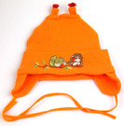 | CZ.240,239,238,237 | Pupill summer children's hat SŁOWIK, mix of colors / sizes (38 - 40, 42 - 44), material: 97% cotton, 3% polyester. Made in Poland. | 67
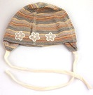 | CZ.233,232,231 | Pupill MILUSIA summer children's hat, mix of colors / sizes (40 - 42, 44 - 46), material: 97% cotton, 3% elastane. Made in Poland. | 108
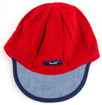 | CZ.248 | Pupill PATRYK summer children's hat, red, size 46 - 48, material 50% cotton 50% polyester. Made in Poland. | 269
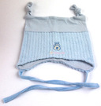 | CZ.202,203,204,205 | Pupill PIPI summer children's hat, mix of colors / sizes (42 - 44, 44 - 46), material: 97% cotton, 3% elastane. Made in Poland. | 1432
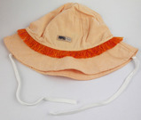 | CZ.207,208,206 | Pupill MAGDA children's hat, mix of colors / sizes (48 - 50, 50 - 52), material: 97% cotton, 3% elastane. Made in Poland. | 695
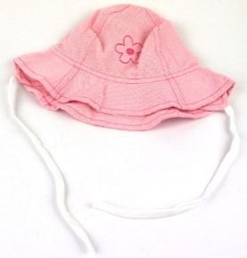 | CZ.200,201 | Pupill KWIATEK children's hat, mix of colors, size 50 - 52, material: 97% cotton, 3% elastane. Made in Poland. | 1237
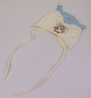 | CZ.141,142,143 | Pupill SÓWKA summer children's hat, mix of colors, size 38 - 40, material 97% cotton, 3% polyester. Made in Poland. | 435
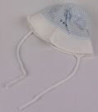 | CZ.121,122 | Pupill BABY children's hat, mix of colors / sizes (42 - 44), material: 97% cotton, 3% elastane. Made in Poland. | 95
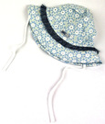 | CZ.101,102,103,100 | Pupill MARGARETKA children's hat, mix of colors / sizes (48 - 50, 52 - 54), material 100% cotton. Made in Poland. | 2327
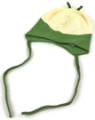 | CZ.119,112 | Summer children's hat Pupill TUPTUŚ (blue - white) / BĄCZEK (cream - green), material: TUPTUŚ - 80% cotton 20% polyester, BĄCZEK - 96% cotton 4% elastane. Made in Poland. | 83
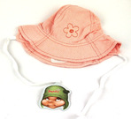 | CZ.111,110 | Pupill FLOWER summer children's hat, mix of colors, size 46 - 48, material 97% cotton, 3% elastane. Made in Poland. | 597
 | CZ.132 | Pupill KALINA children's hat, navy blue, size 48-50, material 80% cotton, 20% polyester. Made in Poland. | 49
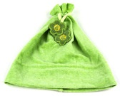 | CZ.128,129,131 | Pupill MARCYSIA children's summer hat, mix of colors, size: 50 - 52, material: 80% cotton, 20% polyester. Made in Poland. | 65
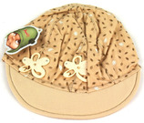 | CZ.133,135,134 | Children cap Pupill INEZ, mix of colors, size 50 - 52, material: 97% cotton, 3% polyester. Made in Poland. | 125
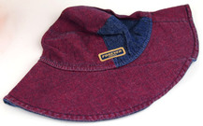 | CZ.126,127,125,123,124 | Pupill ANNA children's hat, mix of colors, size 50 - 52, material 100% cotton. Made in Poland. | 203
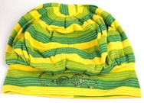 | CZ.140,139 | Summer Pupill COOL children's hat, mix of colors, size 50 - 52, material 97% cotton, 3% polyester. Made in Poland. | 108
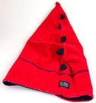 | CZ.136,137,138 | Pupill ELF summer children's hat, mix of colors, size 50 - 52, material 80% cotton 20% polyester. Made in Poland. | 183
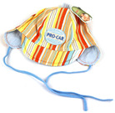 | CZ.MIXE | Pupill summer hats, mix of designs / sizes. Made in Poland. | 300
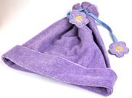 | CZ.8,9 | Pupill MARCYSIA summer children's hat, mix of colors, size 50 - 52, material 80% cotton 20% polyester. Made in Poland. | 193
 | CZ.1.2.10 | Pupill KAJA summer children's hat, mix of colors, size 46 - 48, material: 97% cotton, 3% polyester. Made in Poland. | 288
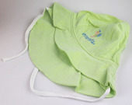 | CZ.7,6,5,4,3 | Pupill ŻYRAFKA children's hat, mix of colors / sizes (42 - 44, 46 - 48), material 100% cotton. Made in Poland. | 620
 | CZ.MIXA | Pupill summer hats, mix of designs / sizes. Made in Poland. | 454
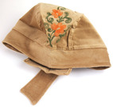 | CZ.MIXB | Pupill summer hats, mix of designs / sizes. Made in Poland. | 611
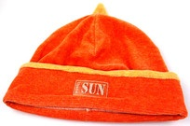 | CZ.230MIX | Pupill summer hats, mix of designs / sizes. Made in Poland. | 400
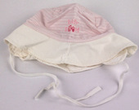 | CZ.MIXG | Pupill summer hats, mix of designs / sizes. Made in Poland. | 469
 | CH.J | Single-layer Pupill JOLKA shawl, white - pink, tied with strings, dimensions: 55 x 35 x 35 cm (dimension without strings), material: 100% cotton. Made in Poland. | 166
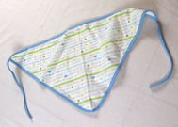 | CH.I | Single-layer Pupill JOLKA shawl, white - blue, tied with strings, dimensions: 55 x 35 x 35 cm (dimension without strings), material: 97% cotton 3% elastane. Made in Poland. | 322
 | CH.H | Single-layer Pupill JOLKA shawl, white - yellow, tied with strings, dimensions: 55 x 35 x 35 cm (dimension without strings), material: 100% cotton. Made in Poland. | 280
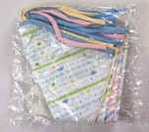 | CH.C | Set of 5 Pupil JOLKA single-layer shawls, mix of colors, tied with strings, dimensions: 55 x 35 x 35 cm (dimensions without strings), material: 100% cotton. Made in Poland. | 198
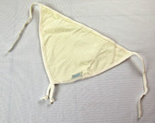 | CH.G | Pupill two - layer shawl, cream - colored, tied with strings, dimensions: 30 x 22 x 22 cm (dimension without strings). Made in Poland. | 112
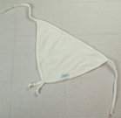 | CH.F | Pupill two - layer shawl, white, tied with strings, dimensions: 30 x 22 x 22 cm (dimension without strings). Made in Poland. | 95
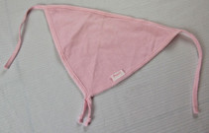 | CH.E | Pupill two - layer shawl, pink, tied with strings, dimensions: 30 x 22 x 22 cm (dimension without strings). Made in Poland. | 56
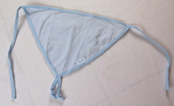 | CH.D | Pupill two - layer shawl, blue, tied with strings, dimensions: 30 x 22 x 22 cm (dimension without strings). Made in Poland. | 108
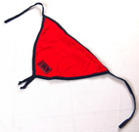 | CH.B | Pupill two - layer shawl, red - navy blue, tied with strings, dimensions: 30 x 22 x 22 cm (dimension without strings). Made in Poland. | 187
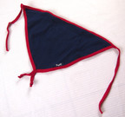 | CH.A | Pupill two - layer shawl, navy blue - red, tied with strings, dimensions: 30 x 22 x 22 cm (dimension without strings). Made in Poland. | 166
 |  |  | 13103

